TEST CASE TABLE
SHOP NAVIGATION TEST CASE TABLE

FUNCTION NAME | FUNCTION DESCRIPTION | INPUT TEST DATA | ACTUAL OUTPUT | EXPECTED OUTPUT | TEST PASS/FAILURE | FAIL STATE STATEMENTS | PROGRAM OUTPUT SCREENSHOT

addShop( ) [POPULATING GRAPH SHOPS] | Allows the user to add a new shop to the system. The new shop is automatically added into the graph and hashtable structures. | Shop number: 1, Name: Woolsworth, Category: SUPERMARKET, Location: Floor 1 Aisle 1, Rating: 4 Shop number: 2, Name: McDonalds, Category: FOOD, Location: Floor 1 Aisle 1, Rating: 4 Shop number: 3, Name: Target, Category: CLOTHING, Location: Floor 1 Aisle 2, Rating: 3 Shop number: 4, Name: Utopia, Category: FOOD, Location: Floor 1 Aisle 2, Rating: 4 Shop number: 5, Name: Myer, Category: CLOTHING, Location: Floor 1 Aisle 3, Rating: 4 Shop number: 6, Name: BestBuy, Category: ELECTRONICS, Location: Floor 1 Aisle 3, Rating: 3 Shop number: 7, Name: EB Games, Category: ELECTRONICS, Location: Floor 1 Aisle 4, Rating: 3 Shop number: 8, Name: Coles, Category: SUPERMARKET, Location: Floor 1 Aisle 4, Rating: 4 Shop number: 9, Name: UNIQLO, Category: CLOTHING, Location: Floor 1 Aisle 3, Rating: 5 | "Shop [shop name] added successfully!" | "Shop [shop name] added successfully!" | TEST PASSED | Shop already exists: "Shop with the provided number already exists!" Invalid shop number: "Shop name cannot be empty" OR "Shop number must be between 1 and 99!" OR "Shop number must be a valid integer!" Invalid shop name: "Shop name cannot be empty" Invalid shop category: "Shop category cannot be empty" OR "Shop category cannot contain numbers!" Invalid shop location: "Shop location cannot be empty" Invalid shop rating: "Shop rating cannot be empty" OR "Invalid rating input. Please enter a number between 1 and 5" OR "Shop rating must be between 1 and 5!" | 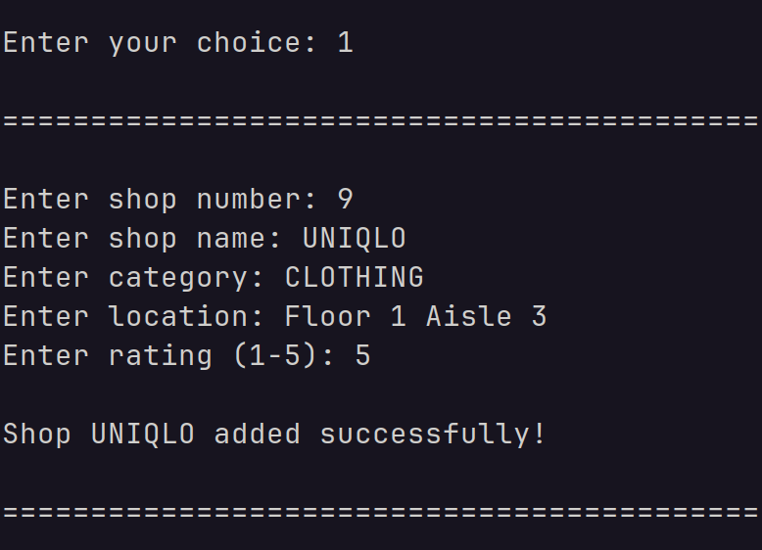

deleteShop( ) | Allows the user to delete an existing shop within the system. The removal of the shop is reflected automatically on the graph and hashtable structures. | Shop Number: 9 | "Shop 9 deleted successfully!" | "Shop 9 deleted successfully!" | TEST PASSED | Empty graph: "System Graph is empty! Cannot delete" Invalid shop number: "Shop number cannot be empty" OR "Shop with shop number [entered shop number] does not exist!" | 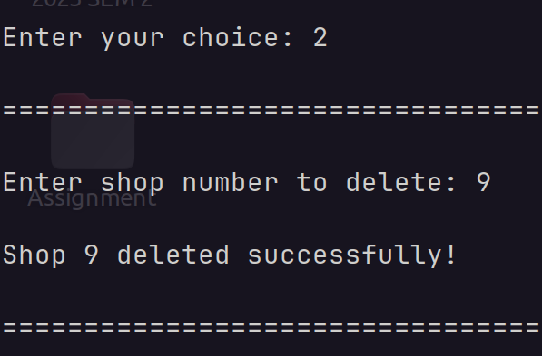

updateShop( ) | Allows the user to update the details of an existing shop (change a shop's name, category, location and rating). The changes made are reflected automatically on the graph and hashtable structures. | Shop number to update: 5 New shop name: KFC New shop category: food New shop location: (skipped) New shop rating: 5 | "Shop 5 updated successfully!" | "Shop 5 updated successfully!" | TEST PASSED | Empty graph: "System Graph is empty! Cannot update" Invalid shop number to update: "Shop with provided number does not exist" Invalid new shop number: "Shop number must be between 1 and 99!" Invalid new shop category: "Shop category cannot contain numbers!" Invalid new shop rating: “Rating cannot be empty” OR "Invalid rating input. Please enter a number between 1 and 5" OR "Shop rating must be between 1 and 5!" | 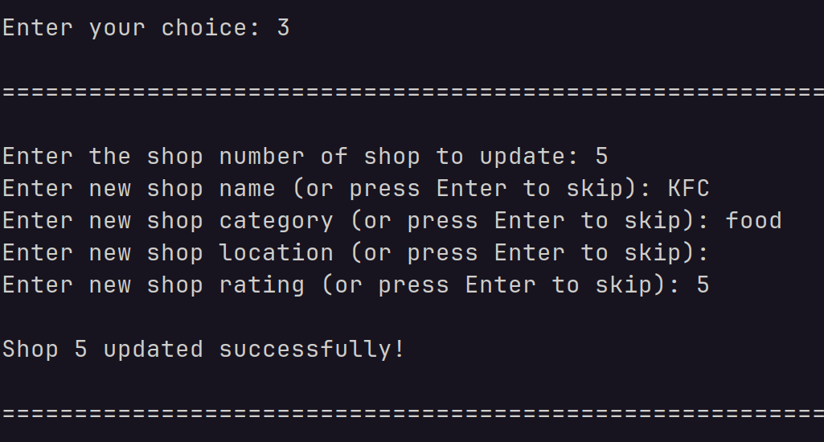

addPathway( ) [POPULATING GRAPH WITH EDGES] | Allows the user to add a pathway (edge) between two existing shops. The changes are reflected upon the graph automatically. | Shop Number 1: 1, Shop Number 2: 4 Shop Number 1: 1, Shop Number 2: 4 Shop Number 1: 1, Shop Number 2: 5 Shop Number 1: 1, Shop Number 2: 7 Shop Number 1: 2, Shop Number 2: 3 Shop Number 1: 2, Shop Number 2: 4 Shop Number 1: 2, Shop Number 2: 5 Shop Number 1: 3, Shop Number 2: 4 Shop Number 1: 4, Shop Number 2: 5 Shop Number 1: 5, Shop Number 2: 6 Shop Number 1: 6, Shop Number 2: 7 Shop Number 1: 6, Shop Number 2: 8 Shop Number 1: 7, Shop Number 2: 8 | "Pathway between shops [shop 1] and [shop 2] added successfully!" | "Pathway between shops [shop 1] and [shop 2] added successfully!" | TEST PASSED | Empty graph: "System Graph is empty! Cannot add pathway" Only one shop present: "Only one shop present in system. Minimum of two shops required for pathway" Invalid shop numbers (1 or 2): "Shop number cannot be empty" OR "Shop number [shop 1 or shop 2] does not exist!" Pathway already exists: "Pathway already exists between [shop 1] and [shop 2] | 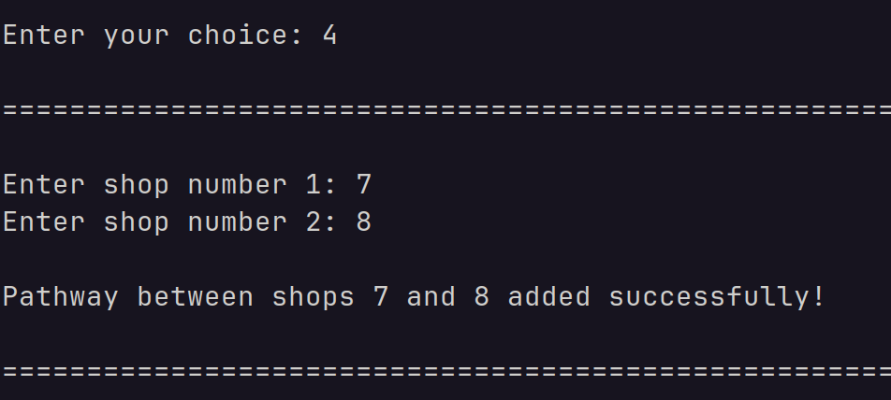

removePathway( ) | Allows the user to delete a pathway (edge) between two existing shops. The changes are reflected upon the graph automatically. | Shop Number 1: 7 Shop Number 2: 6 | "Pathway between shops 7 and 6 removed successfully!" | "Pathway between shops 7 and 6 removed successfully!" | TEST PASSED | Empty graph: "System Graph is empty! Cannot remove pathway" Only one shop present: "Only one shop present in system. Minimum of two shops required for pathway" Invalid shop numbers (1 or 2): "Shop number cannot be empty" OR "Shop number [shop 1 or shop 2] does not exist!" No pathway to delete: "No pathway exists between [shop 1] and [shop 2]" | 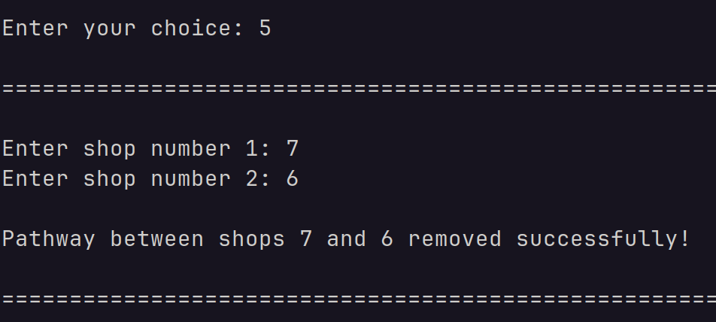

displayShopsByCategory( ) | Displays currently available categories and allows the user to enter a valid category to view a list of all shops within that category in descending order of shop ratings. | Shop Category: Food | Shops in category 'FOOD' in descending order of ratings: Shop Number: 5 | Shop Name: KFC | Shop Location: Floor 1 Aisle 3 | Shop Rating: 5 Shop Number: 2 | Shop Name: McDonalds | Shop Location: Floor 1 Aisle 1 | Shop Rating: 4 Shop Number: 4 | Shop Name: Utopia | Shop Location: Floor 1 Aisle 2 | Shop Rating: 4 | Shops in category 'FOOD' in descending order of ratings: Shop Number: 5 | Shop Name: KFC | Shop Location: Floor 1 Aisle 3 | Shop Rating: 5 Shop Number: 2 | Shop Name: McDonalds | Shop Location: Floor 1 Aisle 1 | Shop Rating: 4 Shop Number: 4 | Shop Name: Utopia | Shop Location: Floor 1 Aisle 2 | Shop Rating: 4 | TEST PASSED | Empty graph: "System Graph is empty! No shops to display" Invalid category: “Category cannot be empty” OR “Error: No shop found with the category [entered category]” | 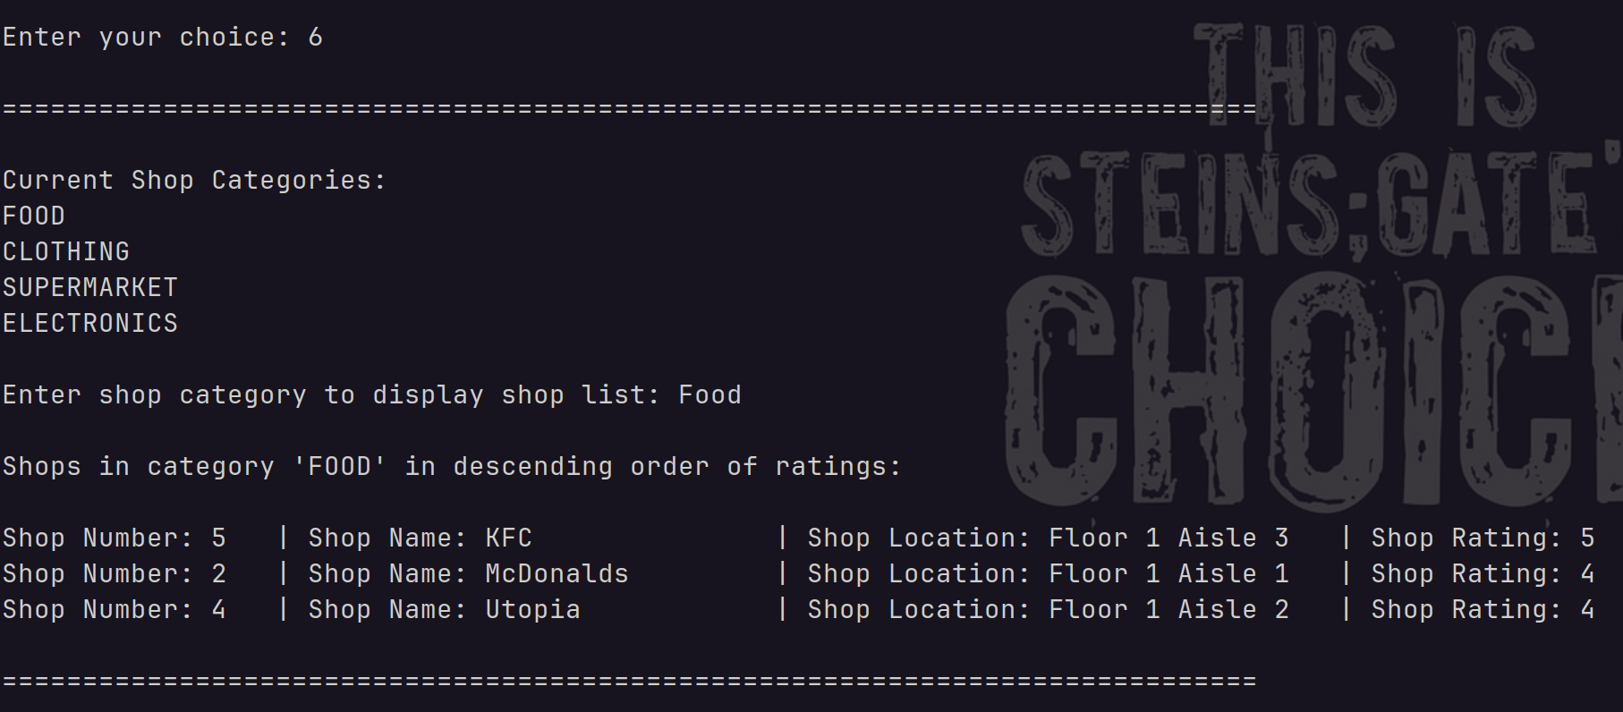

findShortestPath( ) | Finds the shortest path between any two given existing shops. Displays the breadth-first search pathway, depth-first search pathway and the shorter one of the two. | Shop Number 1: 3 Shop Number 2: 7 | Running Breadth First Search on the graph... [Shop 3, Target, Floor 1 Aisle 2] ---> [Shop 2, McDonalds, Floor 1 Aisle 1] ---> [Shop 1, WoolsWorths, Floor 1 Aisle 1] ---> [Shop 7, EB Games, Floor 1 Aisle 4] Running Depth First Search on the graph... [Shop 3, Target, Floor 1 Aisle 2] ---> [Shop 4, Utopia, Floor 1 Aisle 2] ---> [Shop 5, Myer, Floor 1 Aisle 3] ---> [Shop 6, BestBuy, Floor 1 Aisle 3] ---> [Shop 7, EB Games, Floor 1 Aisle 4] Shortest path from Target to EB Games is: [Shop 3, Target, Floor 1 Aisle 2] ---> [Shop 2, McDonalds, Floor 1 Aisle 1] ---> [Shop 1, WoolsWorths, Floor 1 Aisle 1] ---> [Shop 7, EB Games, Floor 1 Aisle 4] | Running Breadth First Search on the graph... [Shop 3, Target, Floor 1 Aisle 2] ---> [Shop 2, McDonalds, Floor 1 Aisle 1] ---> [Shop 1, WoolsWorths, Floor 1 Aisle 1] ---> [Shop 7, EB Games, Floor 1 Aisle 4] Running Depth First Search on the graph... [Shop 3, Target, Floor 1 Aisle 2] ---> [Shop 4, Utopia, Floor 1 Aisle 2] ---> [Shop 5, Myer, Floor 1 Aisle 3] ---> [Shop 6, BestBuy, Floor 1 Aisle 3] ---> [Shop 7, EB Games, Floor 1 Aisle 4] Shortest path from Target to EB Games is: [Shop 3, Target, Floor 1 Aisle 2] ---> [Shop 2, McDonalds, Floor 1 Aisle 1] ---> [Shop 1, WoolsWorths, Floor 1 Aisle 1] ---> [Shop 7, EB Games, Floor 1 Aisle 4] | TEST PASSED | Empty graph: "System Graph is empty! No shops to find a path between" Only one shop present: "Only one shop present in system. Minimum of two shops required for pathway" Invalid start shop number: "Starting shop number [shopNumber1] does not exist!" Invalid destination shop number: "Destination shop number [shopNumber1] does not exist!" No path between shops: "No path found between the provided shops using [DFS/BFS]"

displayListAndMatrix( ) | Allows the user to view the adjacency list and adjacency matrix structures of the existing shop system. | NONE | Displaying shop graph as an adjacency list: 1 | 2 4 5 7 2 | 1 3 4 5 3 | 2 4 4 | 1 2 3 5 5 | 1 2 4 6 6 | 5 8 7 | 1 8 8 | 6 7 Displaying shop graph as an adjacency matrix: 1 2 3 4 5 6 7 8 1 0 1 0 1 1 0 1 0 2 1 0 1 1 1 0 0 0 3 0 1 0 1 0 0 0 0 4 1 1 1 0 1 0 0 0 5 1 1 0 1 0 1 0 0 6 0 0 0 0 1 0 0 1 7 1 0 0 0 0 0 0 1 8 0 0 0 0 0 1 1 0 | Displaying shop graph as an adjacency list: 1 | 2 4 5 7 2 | 1 3 4 5 3 | 2 4 4 | 1 2 3 5 5 | 1 2 4 6 6 | 5 8 7 | 1 8 8 | 6 7 Displaying shop graph as an adjacency matrix: 1 2 3 4 5 6 7 8 1 0 1 0 1 1 0 1 0 2 1 0 1 1 1 0 0 0 3 0 1 0 1 0 0 0 0 4 1 1 1 0 1 0 0 0 5 1 1 0 1 0 1 0 0 6 0 0 0 0 1 0 0 1 7 1 0 0 0 0 0 0 1 8 0 0 0 0 0 1 1 0 | TEST PASSED | Empty graph: "System Graph is empty! Cannot display list or matrix" | 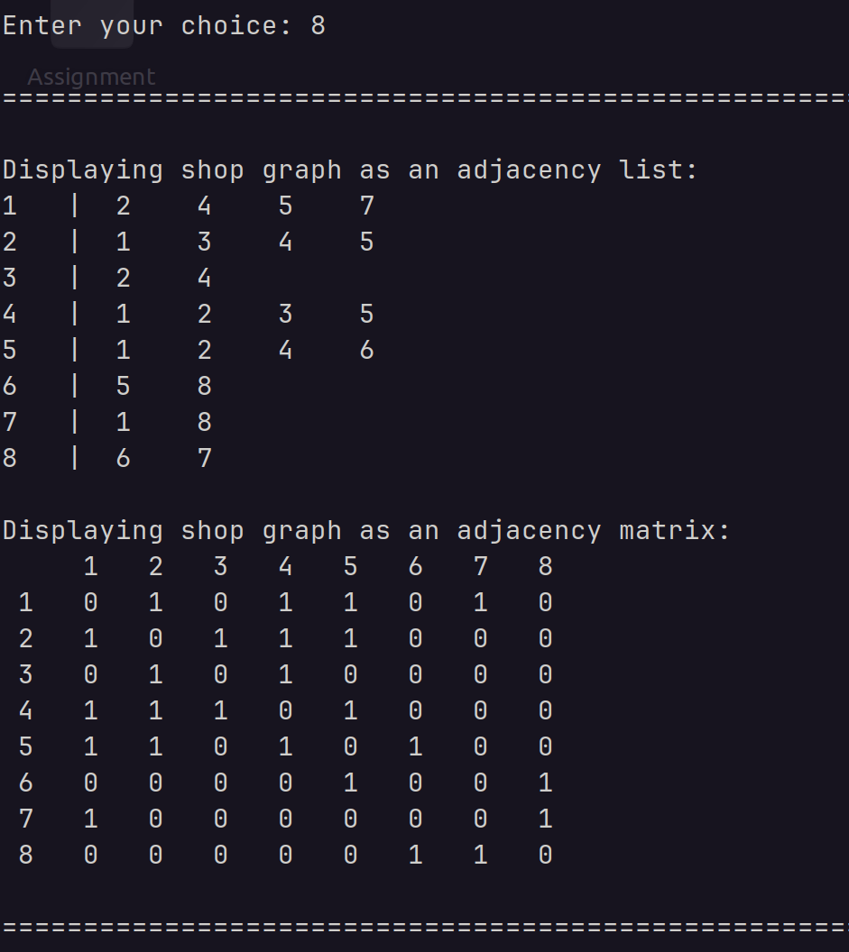

displayLoadFactor( ) | Allows the user to view the load factor of the current hashtable. | NONE | "Displaying current hashtable load factor: 0.41379" | "Displaying current hashtable load factor: 0.41379" | TEST PASSED | NONE

